CNN results
SGD |  |  |  | RMSprop |  |  |  | Adam |  | Adadelta |  |  | Adagrad |  |  | Adamax |  |  |  | Nadam
lr | momentum | score |  | lr | rho | momentum | score | lr | score | lr | rho | score | lr | score |  | lr | beta 1 | beta 2 |  | lr | beta 1 | best 2 | score
0.01 | 0.9 | 0.25446429849 |  | 0.01 | 0.9 | 0.8 | 0.51041668653 | 0.1 | 0.084821425378 | 0.1 | 0.95 | 0.22321428359 | 0.1 | 0.4375 |  | 0.005 | 0.5 | 0.999 | 0.56994044781 | 0.001 | 0.9 | 0.999 | 0.57738095522
0.001 | 0.9 | 0.11011904478 |  | 0.001 | 0.9 | 0.8 | 0.54166668653 | 0.01 | 0.55505955219 | 0.01 | 0.95 | 0.1130952388 | 0.2 | 0.47023808956 |  | 0.004 |  |  | 0.58035713434 |  |  |  | 0.63839286566 | no PCA
0.0001 | 0.9 | 0.095238097012 |  | 0.0001 | 0.9 | 0.8 | 0.35863095522 | 0.001 | 0.47172617912 | 0.05 | 0.9 | 0.16964285076 | 0.05 | 0.5818452239 | 100 | 0.008 |  |  | 0.58333331347
0.1 | 0.9 | 0.47916665673 |  | 0.001 | 0.8 | 0.8 | 0.53273808956 | 0.005 | 0.5625 | 0.5 | 0.9 | 0.42857143283 | 0.001 | 0.16517856717
0.2 | 0.9 | 0.4880952239 |  | 0.001 | 0.7 | 0.8 | 0.52678573132 | 0.004 | 0.59523808956 | 0.3 | 0.9 | 0.34375 | 0.01 | 0.40625
0.3 | 0.9 | 0.45982143283 |  | 0.001 | 0.7 | 0.7 | 0.52232140303 |  |  | 0.6 | 0.9 | 0.42261904478 | 0.02 | 0.46428570151
0.4 | 0.9 | 0.44494047761 |  | 0.001 | 0.7 | 0.9 | 0.56547617912 |  |  | 0.7 | 0.9 | 0.46130952239 | 0.03 | 0.51785713434
0.32 | 0.9 | 0.49851191044 |  |  | 0.8 | 0.9 | 0.59821426868 |  |  |  |  |  | 0.04 | 0.55357140303
0.32 | 0.8 | 0.51636904478 |  |  |  |  |  |  |  |  |  |  | 0.06 | 0.59077382088
0.32 | 0.7 | 0.48511904478 |  |  |  |  |  |  |  |  |  |  | 0.07 | 0.6130952239
 |  |  |  |  |  |  |  |  |  |  |  |  | 0.08 | 0.5744047761

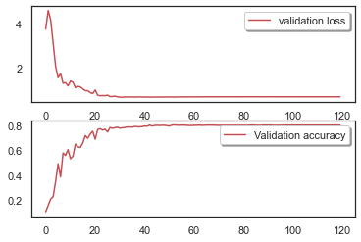
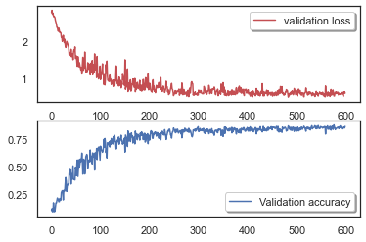
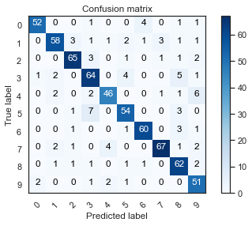
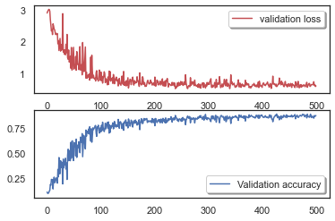
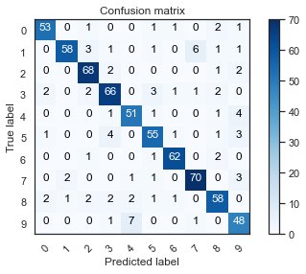
 |  |  |  |  |  |  |  |  |  |  |  |  | 7 layer |  |  |  |  |  |  |  |  |  |  |  | 9 layer |  | 7 layer
7 layer |  |  | 8 layer |  |  | 9 layer |  |  | 7 layer (PCA) |  |  |  | Nadam(learning_rate=0.001, beta_1=0.9, beta_2=0.999) |  |  |  |  |  |  |  |  |  |  |  | x_train shape: (2688, 20, 20, 1) | num_classes = 10 | x_train shape: (2688, 20, 20, 1) | num_classes = 10
Adam |  |  | Adam |  |  | Adam |  |  | 0.38 |  |  |  | x_train shape: (2688, 20, 20, 1) |  |  |  |  |  |  |  |  |  |  |  | 2688 train samples | batch_size = 400 | 2688 train samples | batch_size = 300
lr | score |  | lr |  |  | lr |  |  |  |  |  |  | 2688 train samples |  |  |  |  |  |  |  |  |  |  |  | 672 test samples | epochs = 600 | 672 test samples | epochs = 500
0.004 | 0.7931547761 |  | 0.004 | 0.78720235825 |  | 0.004 | 0.81101191044 |  |  |  |  |  | 672 test samples |  |  |  |  |  |  |  |  |  |  |  | NN hidden layer sizes: 1000 1500 | cNN_NN_layer1 = 1000 | NN hidden layer sizes: 750 750 | cNN_NN_layer1 = 750
 |  |  |  |  |  |  |  |  |  |  |  |  | Test loss: 0.700476348400116 |  |  |  |  |  |  |  |  |  |  |  | Test loss: 0.5977880954742432 | cNN_NN_layer2 = 1500 | Test loss: 0.6013535261154175 | cNN_NN_layer2 = 750
 |  |  |  |  |  |  |  |  |  |  |  |  | Test accuracy: 0.8020833134651184 |  |  |  |  |  |  |  |  |  |  |  | Test accuracy: 0.8616071343421936 |  | Test accuracy: 0.8764880895614624
 |  |  |  |  |  |  |  |  |  |  |  |  |  |  |  |  |  |  |  |  |  |  |  |  | It took 1075 seconds to solve the system! |  | It took 1172 seconds to solve the system!
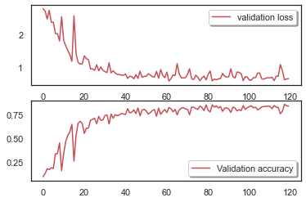
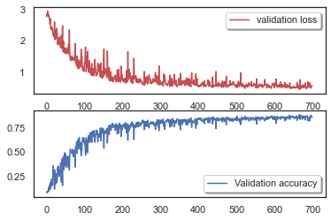
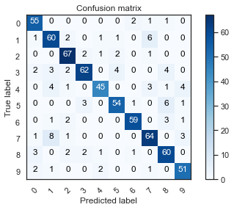
 |  |  |  |  |  |  |  |  |  |  |  |  | opt = Adagrad(learning_rate=0.07) |  |  |  |  |  |  |  |  |  |  |  | x_train shape: (2688, 20, 20, 1) | num_classes = 10
 |  |  |  |  |  |  |  |  |  |  |  |  | x_train shape: (2688, 20, 20, 1) |  |  |  |  |  |  |  |  |  |  |  | 2688 train samples | batch_size = 500
 |  |  |  |  |  |  |  |  |  |  |  |  | 2688 train samples |  |  |  |  |  |  |  |  |  |  |  | 672 test samples | epochs = 700
 |  |  |  |  |  |  |  |  |  |  |  |  | 672 test samples |  |  |  |  |  |  |  |  |  |  |  | NN hidden layer sizes: 1000 1500 | cNN_NN_layer1 = 1000
 |  |  |  |  |  |  |  |  |  |  |  |  | Test loss: 0.6559269428253174 |  |  |  |  |  |  |  |  |  |  |  | Test loss: 0.5488183498382568 | cNN_NN_layer2 = 1500
 |  |  |  |  |  |  |  |  |  |  |  |  | Test accuracy: 0.836309552192688 |  |  |  |  |  |  |  |  |  |  |  | Test accuracy: 0.8586309552192688
 |  |  |  |  |  |  |  |  |  |  |  |  |  |  |  |  |  |  |  |  |  |  |  |  | It took 1188 seconds to solve the system!
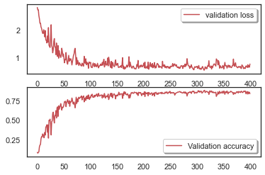
 |  |  |  |  |  |  |  |  |  |  |  |  | x_train shape: (2688, 20, 20, 1) |  |  |  |  |  | model.add(Flatten())
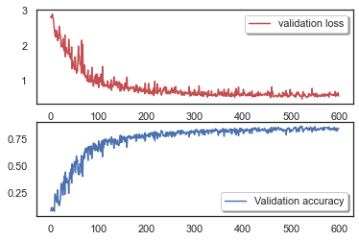
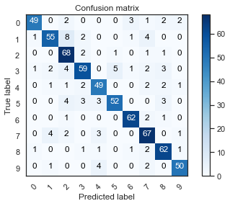
 |  |  |  |  |  |  |  |  |  |  |  |  | 2688 train samples |  |  |  |  |  | model.add(Dense(300, activation='relu')) |  |  |  |  |  | x_train shape: (2688, 20, 20, 1) | num_classes = 10
 |  |  |  |  |  |  |  |  |  |  |  |  | 672 test samples |  |  |  |  |  | model.add(Dropout(0.25)) # reduce overfitting |  |  |  |  |  | 2688 train samples | batch_size = 300
 |  |  |  |  |  |  |  |  |  |  |  |  | Test loss: 0.7544384598731995 |  |  |  |  |  | model.add(Dense(300, activation='relu')) |  |  |  |  |  | 672 test samples | epochs = 600
 |  |  |  |  |  |  |  |  |  |  |  |  | Test accuracy: 0.8348214030265808 |  |  |  |  |  | model.add(Dropout(0.5)) # reduce overfitting |  |  |  |  |  | NN hidden layer sizes: 500 1000 | cNN_NN_layer1 = 500
 |  |  |  |  |  |  |  |  |  |  |  |  |  |  |  |  |  |  | model.add(BatchNormalization()) |  |  |  |  |  | Test loss: 0.5568735003471375 | cNN_NN_layer2 = 1000
 |  |  |  |  |  |  |  |  |  |  |  |  |  |  |  |  |  |  | model.add(Dense(10, activation='softmax')) |  |  |  |  |  | Test accuracy: 0.8526785969734192
 |  |  |  |  |  |  |  |  |  |  |  |  |  |  |  |  |  |  |  |  |  |  |  |  | It took 1029 seconds to solve the system!
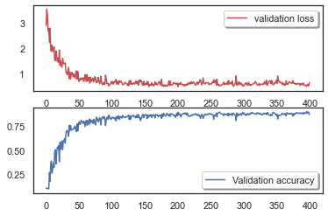
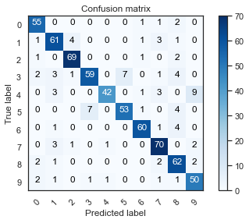
 |  |  |  |  |  |  |  |  |  |  |  |  | x_train shape: (2688, 20, 20, 1) |  |  |  |  |  | model.add(Dense(500, activation='relu'))
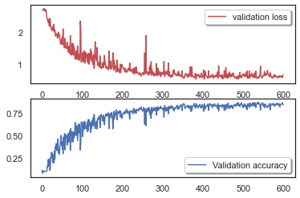
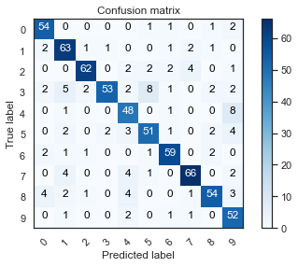
 |  |  |  |  |  |  |  |  |  |  |  |  | 2688 train samples |  |  |  |  |  | model.add(Dropout(0.25)) # reduce overfitting |  |  |  |  |  | x_train shape: (2688, 20, 20, 1) | um_classes = 10
 |  |  |  |  |  |  |  |  |  |  |  |  | 672 test samples |  |  |  |  |  | model.add(Dense(1000, activation='relu')) |  |  |  |  |  | 2688 train samples | batch_size = 500
 |  |  |  |  |  |  |  |  |  |  |  |  | Test loss: 0.6395688652992249 |  |  |  |  |  | model.add(Dropout(0.5)) # reduce overfitting |  |  |  |  |  | 672 test samples | epochs = 600
 |  |  |  |  |  |  |  |  |  |  |  |  | Test accuracy: 0.8645833134651184 |  |  |  |  |  | model.add(BatchNormalization()) |  |  |  |  |  | NN hidden layer sizes: 500 1000 | cNN_NN_layer1 = 500
 |  |  |  |  |  |  |  |  |  |  |  |  |  |  |  |  |  |  | model.add(Dense(10, activation='softmax')) |  |  |  |  |  | Test loss: 0.6625058054924011 | cNN_NN_layer2 = 1000
 |  |  |  |  |  |  |  |  |  |  |  |  | opt = Adagrad(learning_rate=0.07) |  |  |  |  |  |  |  |  |  |  |  | Test accuracy: 0.836309552192688
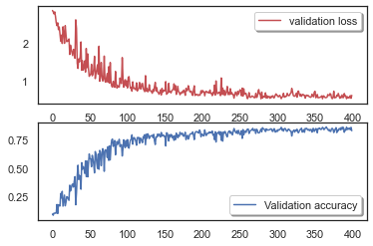
 |  |  |  |  |  |  |  |  |  |  |  |  | 2688 train samples |  |  |  |  |  | batch_size = 200 |  |  |  |  |  | It took 956 seconds to solve the system!
 |  |  |  |  |  |  |  |  |  |  |  |  | 672 test samples |  |  |  |  |  | epochs = 400
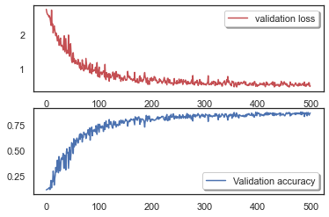
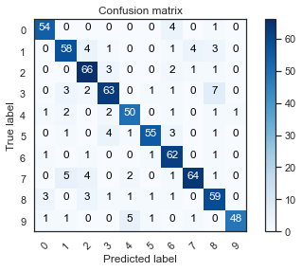
 |  |  |  |  |  |  |  |  |  |  |  |  | Test loss: 0.6034176349639893 |  |  |  |  |  | cNN_NN_layer1 = 1500 |  |  |  |  |  | x_train shape: (2688, 20, 20, 1) | num_classes = 10
 |  |  |  |  |  |  |  |  |  |  |  |  | Test accuracy: 0.824404776096344 |  |  |  |  |  | cNN_NN_layer2 = 1000 |  |  |  |  |  | 2688 train samples | batch_size = 300
 |  |  |  |  |  |  |  |  |  |  |  |  |  |  |  |  |  |  |  |  |  |  |  |  | 672 test samples | epochs = 500
 |  |  |  |  |  |  |  |  |  |  |  |  |  |  |  |  |  |  |  |  |  |  |  |  | NN hidden layer sizes: 750 750 | cNN_NN_layer1 = 750
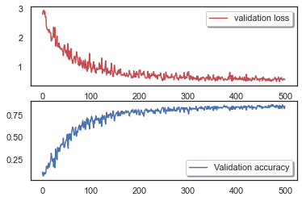

 |  |  |  |  |  |  |  |  |  |  |  |  | x_train shape: (2688, 20, 20, 1) |  |  |  |  |  | num_classes = 10 |  |  |  |  |  | Test loss: 0.4961807131767273 | cNN_NN_layer2 = 750
 |  |  |  |  |  |  |  |  |  |  |  |  | 2688 train samples |  |  |  |  |  | batch_size = 300 |  |  |  |  |  | Test accuracy: 0.8616071343421936
 |  |  |  |  |  |  |  |  |  |  |  |  | 672 test samples |  |  |  |  |  | epochs = 500 |  |  |  |  |  | It took 839 seconds to solve the system!
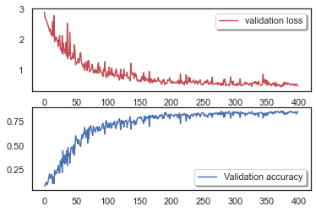
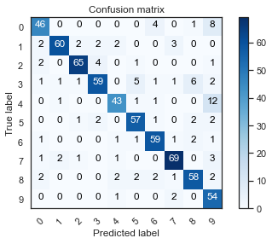
 |  |  |  |  |  |  |  |  |  |  |  |  | NN hidden layer sizes: 1000 1500 |  |  |  |  |  | cNN_NN_layer1 = 1000 |  |  |  |  |  | x_train shape: (2688, 20, 20, 1) | num_classes = 10
 |  |  |  |  |  |  |  |  |  |  |  |  | Test loss: 0.5752063989639282 |  |  |  |  |  | cNN_NN_layer2 = 1500 |  |  |  |  |  | 2688 train samples | batch_size = 200
 |  |  |  |  |  |  |  |  |  |  |  |  | Test accuracy: 0.8497023582458496 |  |  |  |  |  |  |  |  |  |  |  | 672 test samples | epochs = 400
 |  |  |  |  |  |  |  |  |  |  |  |  |  |  |  |  |  |  |  |  |  |  |  |  | NN hidden layer sizes: 500 500 | cNN_NN_layer1 = 500
 |  |  |  |  |  |  |  |  |  |  |  |  |  |  |  |  |  |  |  |  |  |  |  |  | Test loss: 0.48789697885513306 | cNN_NN_layer2 = 500
 |  |  |  |  |  |  |  |  |  |  |  |  |  |  |  |  |  |  |  |  |  |  |  |  | Test accuracy: 0.8482142686843872
 |  |  |  |  |  |  |  |  |  |  |  |  |  |  |  |  |  |  |  |  |  |  |  |  | It took 728 seconds to solve the system!
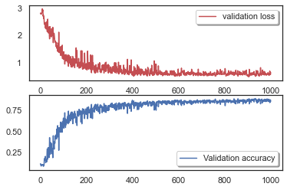
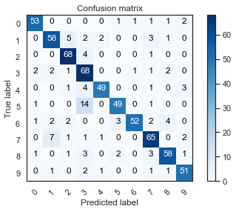
 |  |  |  |  |  |  |  |  |  |  |  |  |  |  |  |  |  |  |  |  |  |  |  |  | x_train shape: (2688, 20, 20, 1) | num_classes = 10
 |  |  |  |  |  |  |  |  |  |  |  |  |  |  |  |  |  |  |  |  |  |  |  |  | 2688 train samples | batch_size = 600
 |  |  |  |  |  |  |  |  |  |  |  |  |  |  |  |  |  |  |  |  |  |  |  |  | 672 test samples | epochs = 1000
 |  |  |  |  |  |  |  |  |  |  |  |  |  |  |  |  |  |  |  |  |  |  |  |  | NN hidden layer sizes: 1000 1500 | cNN_NN_layer1 = 1000
 |  |  |  |  |  |  |  |  |  |  |  |  |  |  |  |  |  |  |  |  |  |  |  |  | Test loss: 0.6261493563652039 | cNN_NN_layer2 = 1500
 |  |  |  |  |  |  |  |  |  |  |  |  |  |  |  |  |  |  |  |  |  |  |  |  | Test accuracy: 0.8497023582458496
 |  |  |  |  |  |  |  |  |  |  |  |  |  |  |  |  |  |  |  |  |  |  |  |  | It took 1562 seconds to solve the system!
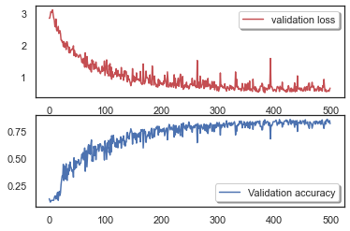
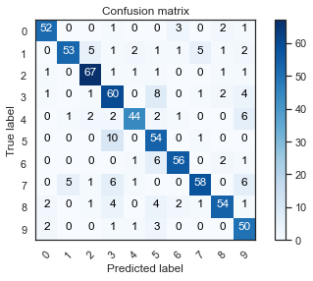
 |  |  |  |  |  |  |  |  |  |  |  |  |  |  |  |  |  |  |  |  |  |  |  |  | x_train shape: (2688, 20, 20, 1) | num_classes = 10
 |  |  |  |  |  |  |  |  |  |  |  |  |  |  |  |  |  |  |  |  |  |  |  |  | 2688 train samples | batch_size = 600
 |  |  |  |  |  |  |  |  |  |  |  |  |  |  |  |  |  |  |  |  |  |  |  |  | 672 test samples | epochs = 500
 |  |  |  |  |  |  |  |  |  |  |  |  |  |  |  |  |  |  |  |  |  |  |  |  | NN hidden layer sizes: 2000 2000 | cNN_NN_layer1 = 2000
 |  |  |  |  |  |  |  |  |  |  |  |  |  |  |  |  |  |  |  |  |  |  |  |  | Test loss: 0.632844090461731 | cNN_NN_layer2 = 2000
 |  |  |  |  |  |  |  |  |  |  |  |  |  |  |  |  |  |  |  |  |  |  |  |  | Test accuracy: 0.8154761791229248
 |  |  |  |  |  |  |  |  |  |  |  |  |  |  |  |  |  |  |  |  |  |  |  |  | It took 893 seconds to solve the system!
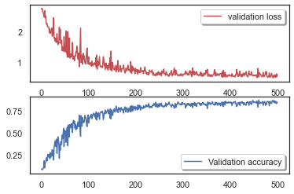
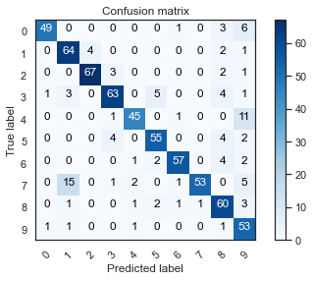
 |  |  |  |  |  |  |  |  |  |  |  |  |  |  |  |  |  |  |  |  |  |  |  |  | x_train shape: (2688, 20, 20, 1) | num_classes = 10
 |  |  |  |  |  |  |  |  |  |  |  |  |  |  |  |  |  |  |  |  |  |  |  |  | 2688 train samples | batch_size = 300
 |  |  |  |  |  |  |  |  |  |  |  |  |  |  |  |  |  |  |  |  |  |  |  |  | 672 test samples | epochs = 500
 |  |  |  |  |  |  |  |  |  |  |  |  |  |  |  |  |  |  |  |  |  |  |  |  | NN hidden layer sizes: 1000 500 | cNN_NN_layer1 = 1000
 |  |  |  |  |  |  |  |  |  |  |  |  |  |  |  |  |  |  |  |  |  |  |  |  | Test loss: 0.5859091877937317 | cNN_NN_layer2 = 500
 |  |  |  |  |  |  |  |  |  |  |  |  |  |  |  |  |  |  |  |  |  |  |  |  | Test accuracy: 0.8422619104385376
 |  |  |  |  |  |  |  |  |  |  |  |  |  |  |  |  |  |  |  |  |  |  |  |  | It took 825 seconds to solve the system!

